BUTTON
PROCESS
Allowance Inch | Allowance %
0 | 0.0%

CLEAR

A2
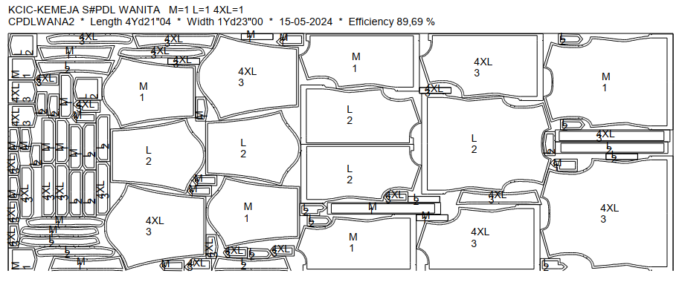
DATE | ITEM | WIDTH | SIZE | LENGHT & SIZE MARKER | MINI MARKER |  |  | YARD/PC | REMARKS | ALLOWANCE CONS%
 |  |  |  |  | Q T Y | LENGTH | EFF(%)
 | Body - Abu | 59" | XS-6XL | 4Yd21"04 | 3 | 4.587 | 8969% | 1.529 |  | 0.0%
 |  |  |  | M=1 L=1 4XL=1 |  | 4 | YD
 |  |  |  |  |  | 21 | " + allowance
 |  |  |  |  |  | 04 | '

A3
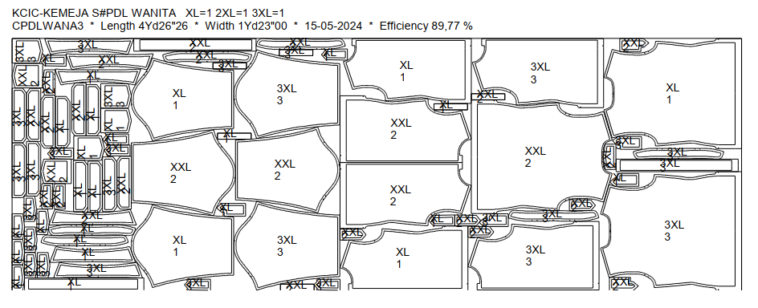
DATE | ITEM | WIDTH | SIZE | LENGHT & SIZE MARKER | MINI MARKER |  |  | YARD/PC | REMARKS | ALLOWANCE CONS%
 |  |  |  |  | Q T Y | LENGTH | EFF(%)
 | Body - Abu | 59" | XS-6XL | 4Yd26"26 | 3 | 4.745 | 8977% | 1.582 |  | 0.0%
 |  |  |  | XL=1 2XL=1 3XL=1 |  | 4 | YD
 |  |  |  |  |  | 26 | " + allowance
 |  |  |  |  |  | 26 | '

A4
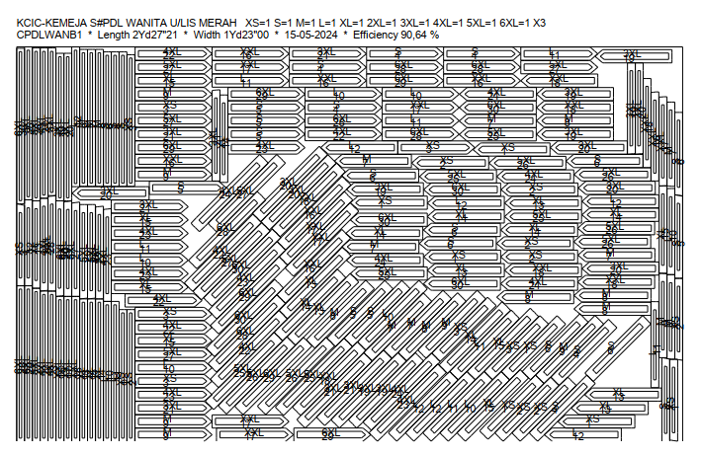
DATE | ITEM | WIDTH | SIZE | LENGHT & SIZE MARKER | MINI MARKER |  |  | YARD/PC | REMARKS | ALLOWANCE CONS%
 |  |  |  |  | Q T Y | LENGTH | EFF(%)
8-May-24 | Lis Merah | 59" | XS-6XL | 2Yd27"21 | 30 | 2.768 | 9064% | 0.092 | Collar, chest, skoder tangan | 0.0%
 |  |  |  | XS=1 S=1 M=1 L=1 XL=1 2XL=1 3XL=1 4XL=1 5XL=1 6XL=1 X3 |  | 2 | YD
 |  |  |  |  |  | 27 | " + allowance
 |  |  |  |  |  | 21 | '

A5
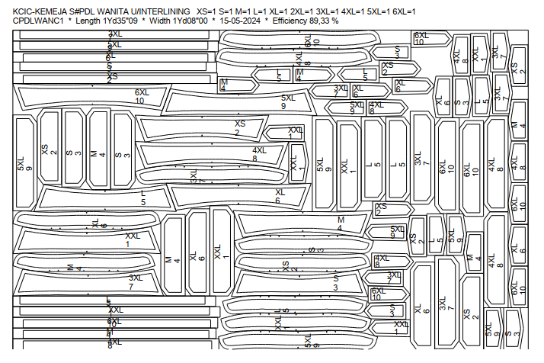
DATE | ITEM | WIDTH | SIZE | LENGHT & SIZE MARKER | MINI MARKER |  |  | YARD/PC | REMARKS | ALLOWANCE CONS%
 |  |  |  |  | Q T Y | LENGTH | EFF(%)
8-May-24 | Interlining | 44" | XS-6XL | 1Yd35"09 | 10 | 1.98 | 8933% | 0.198 |  | 0.0%
 |  |  |  | XS=1 S=1 M=1 L=1 XL=1 2XL=1 3XL=1 4XL=1 5XL=1 6XL=1 |  | 1 | YD
 |  |  |  |  |  | 35 | " + allowance
 |  |  |  |  |  | 09 | '

